Blad1
Determining the size and and composition of the heritage domain

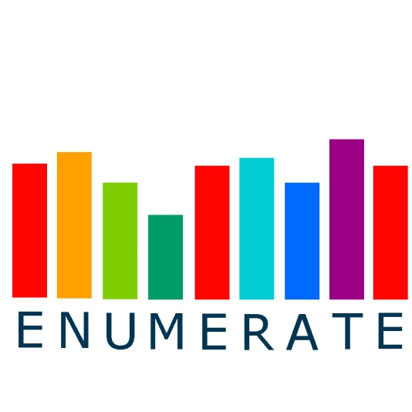



Please Fill out the following information:

 |  | Personal Information
 |  | Name of Coordinator:
 |  | Employing Institution:
 |  | Country:
 |  | Email address:
 |  | Tel. number (incl. country code): |  | 065

 |  | And one of the folowing tables (A, B or C):

A | Type of institution | Archives /record offices | A/V, broadcasting or film institutes | Libraries | Museums | Other types | TOTAL

 | Your estimate |  |  |  |  |  | 0
 |  | OR:

B | Type of institution | Archives /record offices | A/V, broadcasting or film institutes | National Libraries | Higher Education Libraries | Public Libraries | Special or other Libraries

 | Your estimate
 |  | State owned Museums | Local/Regional Museums | Other Public Museums | Institutions for Monument Care | Other types | TOTAL

 |  |  |  |  |  |  | 0
 |  | OR:

C | Type of institution | Archives /record offices | A/V, broadcasting or film institutes | National Libraries | Higher Education Libraries | Public Libraries | Special or other Libraries | Museums of art

 | Your estimate
 |  | Museums of Archeology/History | Museums of Antropology/Etnology | Museums of Science/Technology | Other types of Museums | Institutions for Monument Care | Other types | TOTAL

 |  |  |  |  |  |  |  | 0
 |  | And to conclude:

 |  | Please include any additional information that may be helpful for us to determine the size and compostion of your country´s heritage domain

 |  | Many thanks from the ENUMERATE team

