Blad1
Determining the size and and composition of the heritage domain

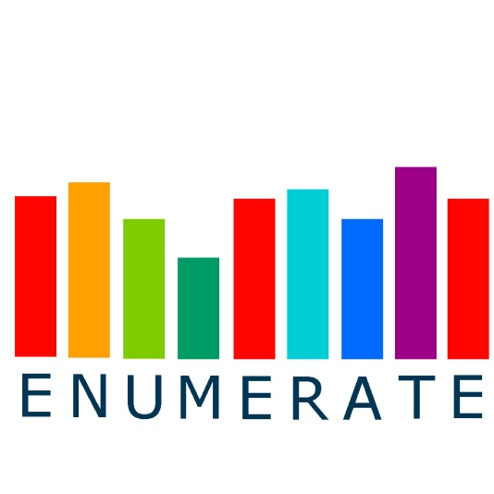

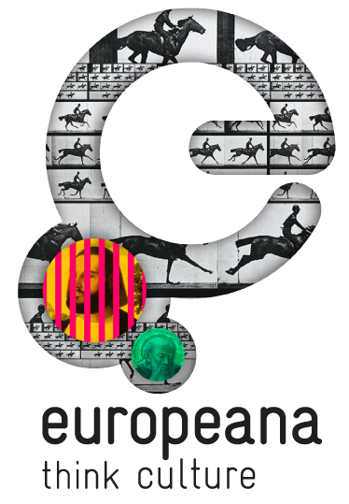

Please Fill out the following information:

 |  | Personal Information
 |  | Name of Coordinator:
 |  | Employing Institution:
 |  | Country:
 |  | Email address:
 |  | Tel. number (incl. country code):

 |  | And one of the following tables (A or B):

A | Type of institution | Archives / Record Offices | AV, Broadcasting or Film Institutions | Libraries | Museums | Institutions for Monument Care |  | TOTAL

 | Your estimate |  |  |  |  |  |  | 0

 |  | OR:

B | Type of institution | National Archives | Other Archives / Record Offices | AV / Broadcasting Institutions | Film Institutions | National Libraries | Higher Education Libraries | Special or Other Types of Libraries

 | Your estimate
 |  | Museums of Art | Mus. of Archaeol., History | Mus. of Natural History / Sciences | Mus. of Science / Technology | Mus. of Ethnogr. / Anthropology | Institutions for Monument Care | TOTAL

 |  |  |  |  |  |  |  | 0
 |  | And to conclude:

 |  | Please include any additional information that may be helpful for us to determine the size and compostion of your country´s heritage domain

 |  | Many thanks from the ENUMERATE team!

